NOP_Reg
Project Name: Nopcommerece
Module: Log in Functionality
Operating system: Windows 10
Browser: Chrome
Test case creator: Krutik
Test Case creation date: 28/02/21
Test case reviewer:
Test case review date:

Test Case ID | Open Browser | Test case Description | Pre-Condition | Test steps | Test Data | Expected Results | Actual Results | Status | Defects ID | Comments
NOPC_reg_login_01 | 1.URL= https://www.nopcommerce.com/en 2. Click on Registration | To Verify that the Registration form contains First Name, Last Name, Email, Confirm Email, Username, Password, Confirm Password | User should have register account with nopcommerece | 1.Enter First Name 2.Enter Last Name 3.Enter Email 4.Enter Confirm Email 5.Enter Username 6.Enter Password 7.Enter Confirm Password | First Name: Krutik Last Name= Prajapati Email = krus_is_back@hotmail.co.uk Confirm Email = krus_is_back@hotmail.co.uk Username = krusisback Password = Software@2021 Confirm Password = Software@2021 | User should be logged in succesfully | User logged in succesfully | Pass
NOPC_reg_login_02 | 1.URL= https://www.nopcommerce.com/en 2. Click on Registration | To Verify Required field | User should have register account with nopcommerece | To Check the required fields do not filling any data | 1. Do not enter any value in the field. 2. Click on the Register button | User shoud show a mandatory sysmbol(*) on mandatory field. | User succesfully show mandatory field. | Pass
NOPC_reg_login_03 | 1.URL= https://www.nopcommerce.com/en 2. Click on Registration | To verify Country Drop list, Time zone drop list, My company primarily drop list, My activity in the company drop list, How many people work for your company drop list. | User should have register account with nopcommerece | TO check drop down list click on each availabilty function. | Click on Country Drop list, Time zone drop list, My company primarily drop list, My activity in the company drop list, How many people work for your company drop list, | User should be able to click on drop down list function and can select the option. | User succesfully can drop down list. | Pass
NOPC_reg_login_04 | 1.URL= https://www.nopcommerce.com/en 2. Click on Registration | To verfiy Check Availability tab | User should have register account with nopcommerece | Enter= krusisbak2021 | Click on Check Availability tab | User should allowed to accept username | User succesffuly got the username | Pass
NOPC_reg_login_05 | 1.URL= https://www.nopcommerce.com/en 2. Click on Registration | To verfiy Check Availability tab | User should have register account with nopcommerece | Enter= krusisbak2021 | Click on Check Availability tab for new registration | User should not allowed to accept username | User unsuccessful as username was already used | Pass
NOPC_reg_login_06 | 1.URL= https://www.nopcommerce.com/en 2. Click on Registration | To Verfiy valid Email validation | User should have register account with nopcommerece | Enter Email ID, Username and Password | Enter email = krus_is_back@hotmail.co.uk Username = krusisbak2021 Password = Software@2021 | User should be logged in succesfully | User logged in succesfully | Pass
NOPC_reg_login_07 | 1.URL= https://www.nopcommerce.com/en 2. Click on Registration | To Verfiy Invalid Email | User should have register account with nopcommerece | Enter Email ID, Username and Password | Enter email = krusisbk@yahoo.co.uk Username = krusisbak2022 Password = Krish2012! | User should be logged in unsuccesful | User logged in succesfully | Fail | NOPC_reg_login_07
NOPC_reg_login_08 | 1.URL= https://www.nopcommerce.com/en 2. Click on Registration | To Verify the Country drop list match with time zone drop list | User should have register account with nopcommerece | Select the Country drop down list and Time zone drop list. | Click on Country drop list and select United Kingdom. | Use should able to get correct time zone when selecting the country form the list. | User was unsucesfully as Time zone is not get select automatically | Fail | NOPC_reg_login_08
NOPC_reg_login_09 | 1.URL= https://www.nopcommerce.com/en 2. Click on Registration | To verify valid password validation (at least 6 character long) | User should have register account with nopcommerece | Enter valid Password | Software@2021 | User should allowed to accept password | User logged in succesfully | Pass
NOPC_reg_login_10 | 1.URL= https://www.nopcommerce.com/en 2. Click on Registration | To varify invalid password (at least 6 character long) | User should have register account with nopcommerece | Enter invalid Password | soft | User should not allowed to accept password | User is unsuccesful as it ask to enter mininum of 6 characters | Pass
NOPC_reg_login_11 |  | To verify message icon to check the messages | User should have register account with nopcommerece | 1. Open Google chrome browser. 2. Enter URL= https://www.nopcommerce.com/en 3.Enter Username 4.Enter Password 5. Click on submit | 1. Enter Username = krusisback 2. Enter password = Software@2021 3. Click on submit button | 1.User should be logged in succesfully 2.User should be open message icon | User succesfully logged in and open the message icon | Pass
NOPC_reg_login_12 |  | To verify inbox messages | User should have register account with nopcommerece | 1. Open Google chrome browser. 2. Enter URL= https://www.nopcommerce.com/en 3.Enter Username 4.Enter Password 5. Click on submit 6. click on Message icon 7.click on Inbox | 1. Enter Username = krusisback 2. Enter password = Software@2021 3. Click on submit button 4.Click on Inbox to check the messages. | 1.User should be logged in succesfully 2.User should be open message icon 3. User should be able to check the messages in Inbox | 1.User succesfully logged in 2. User succesfully open the message icon 3. User cannot check any messages in the Inbox | Fail | NOPC_reg_login_12 | Inbox not operating correctly.

Screenshot
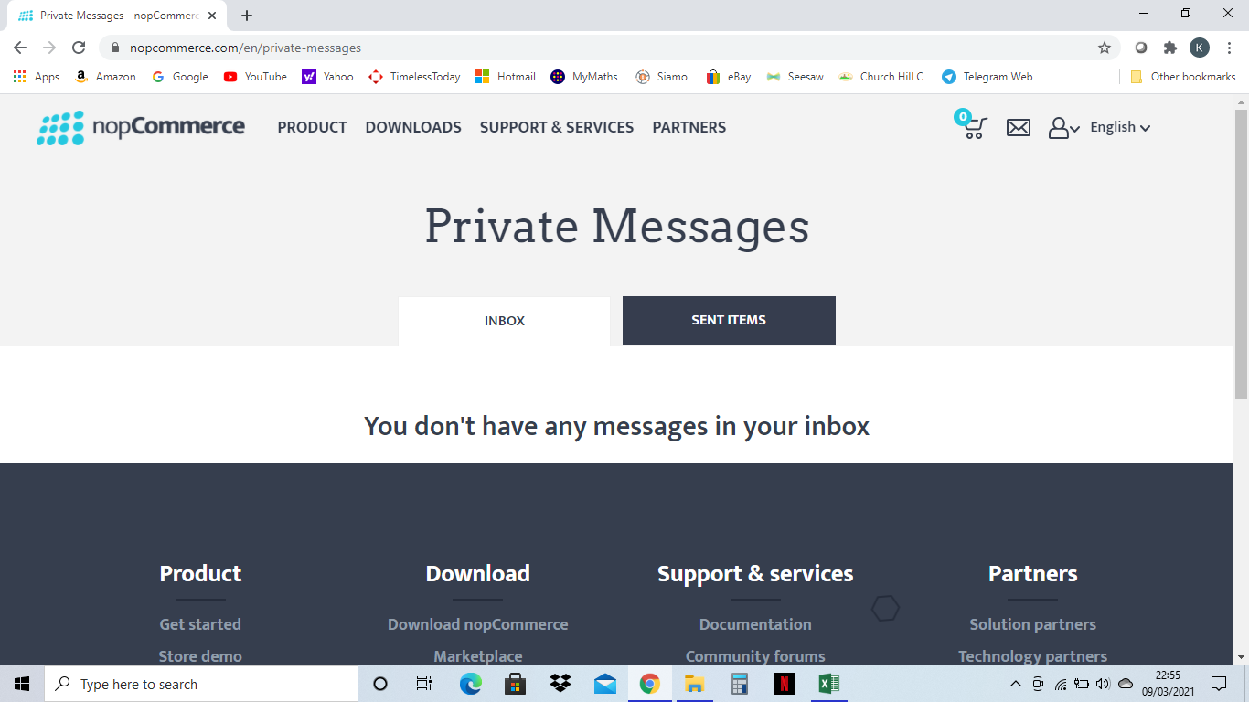

NOPC_reg_login_12

